Brasil ToC
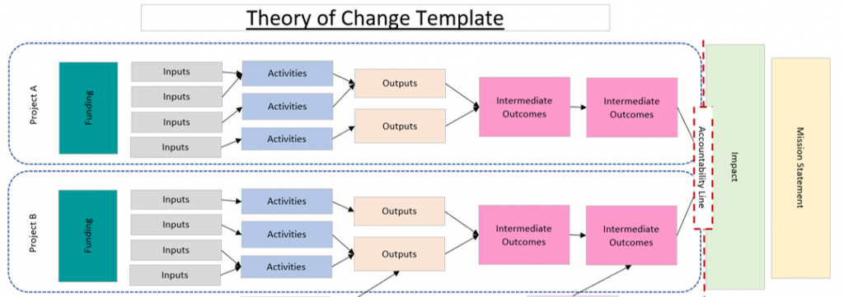
THEORY OF CHANGE - ESTRATÉGICO |  |  |  |  |  |  |  | PRORGRAMA - TATICO & OPERACIONAL |  |  | IMPACTOS E RESULTADOS a médio e longo prazo

BRAZIL Theory of Change 2027-2031 |  |  |  | Details of Outputs Indicators |  |  |  | Programatic Programme 2027-2031 |  |  | impactos dos resultados/atividades
Programme Outcome: | Outcome indicators | Outputs | Outputs indicators | Indicator code | Description | Unit of measurement | MBO-partners contributing to this indicator | Specific objectives | OS/ID capacities | Main type of activities | At MBO level | At individual level
Trias and MBOs partners are better equipped to fulfil their role as agents of change and contribute to a more inclusive, sustainable, and resilient entrepreneurial ecosystem in Brazil. | 1. % of total MBO annual revenue derived from sales of certified or verified sustainable products (organic, EUDR-compliant, fair trade, or equivalent standards) | (economic) O1. MBOs enhance members’ market access by promoting higher-quality, differentiated, and value‑added products, contributing to sustainable and competitive businesses | OI 1.1 Number of MBO members who have completed at least one training session in business development, innovation and access to new economies | OI 1.1 | Measures the number of MBO members who have completed at least one training session, workshop or seminar in business development innovation or access to new economies (bioeconomy, circular economy) | Number of MBO members (individuals) | UNICAFES PA, UNICAFES RO | Market Access, Quality Enhancement, and Value Addition MBOs enhance members’ market access by promoting higher-quality, differentiated, and value‑added products, contributing to sustainable and competitive businesses | 1. Business development & access to market 2. Services delivered 4. L&A and network | 1.1 Advancing in public markets (PNAE, PAA) - UNICAFES Pará 1.2 PES or/and carbon services/technical assistance - UNICAFES RO 1.3 New courses on CSA - CSA Brasil | MBOs become sustainable commercial platforms with greater financial autonomy and negotiation capacity in differentiated markets, increasing own revenues from commercialisation, certification and consultancy services | Members (FFEs and NFEs) achieve increased and more stable annual household income, with access to fair markets and long‑term contracts, reduced dependence on intermediaries, and greater bargaining power. Women, young farmers and waste pickers access niche markets with higher added value (certified, organic, EUDR‑compliant products)
 | 2. % and number of MBO members adopting sustainable and climate-resilient practices in their production systems or work environments |  | OI 1.2 Number of structured engagements initiated between MBOs and private sector actors (buyers, processors, traders, or industry partners) | OI 1.2 | Counts formalised interactions between MBOs and private sector actors that lead to or aim at commercial relationships (business meetings with defined agendas, negotiations on price/volume/quality, product sampling or testing, trial supply arrangements, formal partnership agreements, or MoU) | Number of structured engagements | UNICAFES PA, UNICAFES RO, CSA Brasil, UNICATADORES | Enhanced Climate Resilience and Adaptive Capacity MBOs strengthen their members’ climate resilience by promoting the adoption of sustainable practices, climate adaptation measures, and effective risk management strategies. | 2. Services delivered 5. Climate 4. L&A and network | 2.1 Training and development on climate tool (BR I+II) - All MBOs 2.2 Climate awareness & pilot on PES, carbon market, etc - UNICAFES Pará 2.3 Institutional Climate agenda, AI mapping - UNICATADORES 2.4 Complementary projects & sinergies & fundraising - All MBOs | MBOs institutionalise climate risk management, develop environmental monitoring systems, access climate finance (PES, carbon markets), and become local references for climate adaptation and sustainable bioeconomy | Members adopt climate‑resilient practices (agroforestry, agroecological systems, low‑carbon recycling), reducing productive losses caused by extreme events (droughts, floods). They gain access to alternative income sources through PES and carbon credits, contributing to improved food security and environmental quality.
 | 3. % of women and young people occupying decision-making positions (boards, councils, committees) and actively participating in decision-making processes within MBOs | (climate) O2. MBOs strengthen their members’ climate resilience by promoting the adoption of sustainable practices, climate adaptation measures, and effective risk management strategies. | OI 2.1 Number of leaders, management and key members that are actively engaged in implementing sustainable practices, nature-positive initiatives and climate risk strategies | OI 2.1 | Measures the number of women, youth leaders, management and key members are actively engaged in implementing sustainable practices, nature-positive initiatives and climate risk strategies, and applied lessons learned to their organization | Number of women, youth, leaders, management and key members | UNICAFES PA, UNICAFES RO, CSA Brasil, UNICATADORES | Shifted power relations, shared ownership, and reduced dependency MBOs strengthen economic inclusion and the leadership of women and young people as catalysts within the organization and the wider ecosystem through capacity building, effective participation, and expanded access to sustainable economic opportunities. | 3. Inclusion 4. L&A and network | 3.1 Youth & women new leadership programme & inclusion strategies - UNICATADORES 3.2 Inclusion strategies & training & innovation Bioeconomy ecosystem - UNICAFES Pará 3.3 L&A strategies toward government - UNICATADORES 3.4 Complementary projects & sinergies & fundraising - All MBOs | MBOs consolidate inclusive governance with quotas and effective participation of women and youth at all decision‑making levels, and are recognised as defenders of marginalised groups (waste pickers, women farmers, urban and rural producers), actively influencing public policies (PNAE, PAA, PNRS) | Women and young people hold leadership positions in MBOs and the entrepreneurial ecosystem, with effective decision‑making power. Increased self‑esteem, economic autonomy and civic participation of historically excluded groups are achieved, alongside reduced gender and age discrimination in cooperatives and value chains, and improved decent working conditions for waste pickers, urban and rural producers.
 | 4. Number of advocacy initiatives led by MBOs that result in concrete and verifiable results (inclusion in public calls, formal agreements, access to funding or policy spaces) |  | OI 2.2 Number of MBO members that have applied for and received financial compensation through PES, carbon market, or other climate incentive schemes | OI 2.2 | Measures the number of MBO members who have successfully applied for and received financial compensation through climate incentive schemes, including Payment for Environmental Services (PES), carbon market pilots, biodiversity offsets, or stewardship programmes | Number of MBO members | UNICAFES PA, UNICAFES RO, CSA Brasil, UNICATADORES
 |  | (inclusion) O3. MBOs strengthen economic inclusion and the leadership of women and young people as catalysts within the organization and the wider ecosystem through capacity building, effective participation, and expanded access to sustainable economic opportunities. | OI 3.1Number of women, young people and EUE who complete capacity-building programmes in leadership, inclusive governance and business succession | OI 3.1 | Counts the number of women, young people, EUE who have successfully completed structured capacity building programmes delivered by MBOs focus on leadership and negotiation skills, inclusive governance, business succession planning | Number of women, young people and EUE | UNICAFES PA, UNICAFES RO, UNICATADORES
 |  |  | OI 3.2 Number of multi-stakeholder policy platforms where MBOs have formal representation | OI 3.2 | Counts multi-stakeholder policy platforms (committees, councils, working groups, forums) where an MBO holds formal representation (elected seat, official nomination, or standing invitation) | Number of policy platforms with MBO representation | UNICAFES PA, UNICAFES RO, CSA Brasil, UNICATADORES

Rationale behind the Theory of change

